Supplementary Table 1
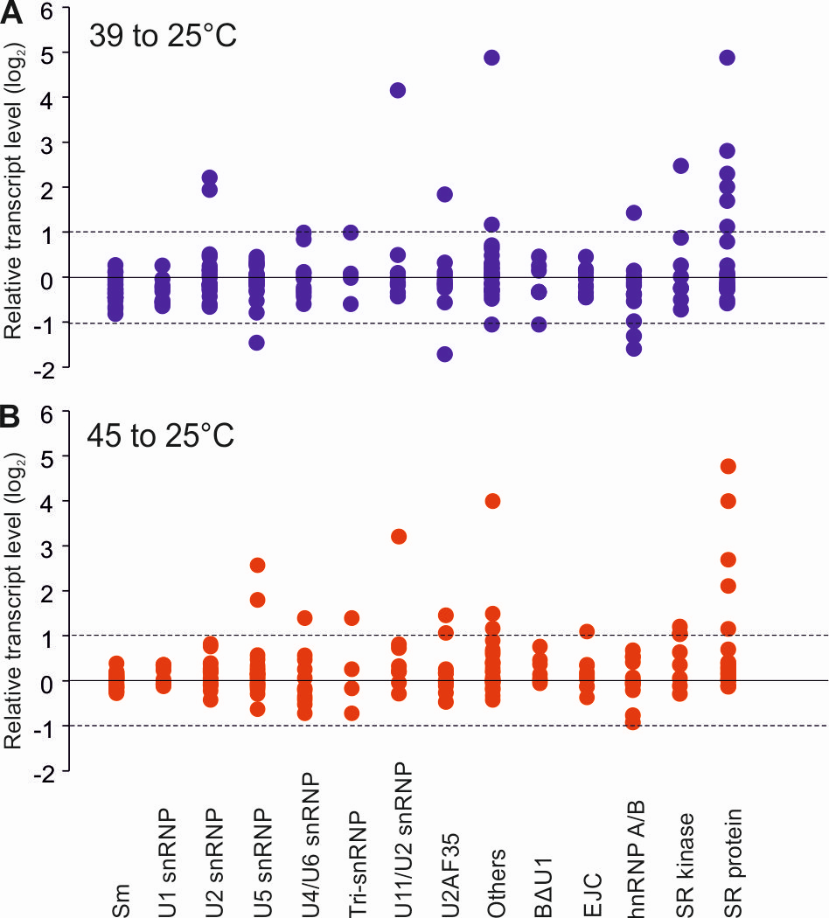
 |  |  | transcript level (TPM) |  |  |  |  |  | Fold Change
 | Name | SolycID | 25°C | SD | 39°C | SD | 45°C | SD | 39/25 | 45/25
Sm core proteins | SmB | Solyc01g094540 | 6.35 | 0.48 | 7.22 | 1.65 | 7.91 | 1.49 | 1.14 | 1.25
 |  | Solyc05g049950 | 55.09 | 5.44 | 44.04 | 3.03 | 59.24 | 5.73 | 0.80 | 1.08
 | SmD1 | Solyc06g084310 | 83.32 | 16.85 | 68.34 | 11.39 | 106.30 | 12.44 | 0.82 | 1.28
 |  | Solyc09g064660 | 83.53 | 5.39 | 73.06 | 3.46 | 102.36 | 14.28 | 0.87 | 1.23
 | SmD2 | Solyc09g075130 | 37.23 | 3.27 | 35.59 | 1.87 | 40.19 | 2.68 | 0.96 | 1.08
 | SmD3 | Solyc02g062240 | 36.62 | 0.65 | 25.51 | 2.92 | 37.93 | 3.97 | 0.70 | 1.04
 |  | Solyc03g033600 | 48.57 | 4.40 | 48.62 | 4.35 | 61.81 | 5.39 | 1.00 | 1.27
 |  | Solyc02g084020 | 26.76 | 2.69 | 25.58 | 1.78 | 31.43 | 4.64 | 0.96 | 1.17
 | SmE | Solyc03g098470 | 58.04 | 12.40 | 48.22 | 10.60 | 66.78 | 14.18 | 0.83 | 1.15
 |  | Solyc06g072280 | 52.48 | 2.67 | 39.94 | 3.03 | 56.11 | 4.51 | 0.76 | 1.07
 | SmF | Solyc10g081370 | 29.91 | 0.54 | 29.13 | 2.45 | 31.93 | 5.56 | 0.97 | 1.07
 | SmG | Solyc05g055260 | 48.46 | 6.97 | 42.68 | 6.14 | 54.87 | 3.30 | 0.88 | 1.13
 |  | Solyc11g006820 | 35.03 | 3.49 | 28.52 | 2.45 | 40.06 | 7.13 | 0.81 | 1.14
 | LSM2 | Solyc06g084350 | 41.16 | 3.30 | 36.48 | 2.12 | 44.22 | 2.54 | 0.89 | 1.07
 |  | Solyc09g072970 | 35.92 | 2.83 | 33.34 | 3.47 | 40.55 | 3.52 | 0.93 | 1.13
 | LSM3a | Solyc11g005370 | 24.89 | 1.39 | 15.30 | 2.67 | 24.06 | 3.54 | 0.61 | 0.97
 | LSM4 | Solyc01g099740 | 115.69 | 1.96 | 89.08 | 11.73 | 119.62 | 3.07 | 0.77 | 1.03
 |  | Solyc09g065940 | 2.22 | 0.31 | 2.60 | 0.46 | 2.57 | 0.49 | 1.17 | 1.16
 | LSM5 | Solyc09g091500 | 22.83 | 6.34 | 32.90 | 6.62 | 25.64 | 5.29 | 1.44 | 1.12
 | LSM7 | Solyc09g009640 | 82.79 | 3.47 | 65.84 | 4.05 | 96.01 | 6.18 | 0.80 | 1.16
 | LSM8 | Solyc06g073700 | 37.92 | 7.20 | 34.53 | 4.12 | 41.72 | 10.21 | 0.91 | 1.10
 | LSm1 | Solyc06g062980 | 4.64 | 1.31 | 3.91 | 0.57 | 4.25 | 1.57 | 0.84 | 0.91
 |  | Solyc03g122260 | 58.32 | 2.87 | 45.24 | 3.60 | 53.97 | 4.17 | 0.78 | 0.93
U1 snRNP specific proteins | Mud1 | Solyc09g075200 | 27.71 | 2.71 | 27.14 | 1.03 | 34.70 | 2.13 | 0.98 | 1.25
 | Yhc1 | Solyc06g008860 | 43.84 | 3.65 | 39.37 | 2.21 | 43.82 | 2.93 | 0.90 | 1.00
 | Snp1 | Solyc02g085420 | 85.85 | 2.30 | 90.78 | 7.77 | 104.75 | 4.72 | 1.06 | 1.22
 | Snp1 | Solyc09g098390 | 3.05 | 0.50 | 3.23 | 0.76 | 3.07 | 0.90 | 1.06 | 1.01
 | Prp39 | Solyc09g064590 | 38.30 | 3.38 | 30.95 | 2.36 | 37.36 | 4.53 | 0.81 | 0.98
 | Prp40 | Solyc07g022760 | 43.59 | 3.57 | 31.98 | 2.93 | 41.71 | 5.06 | 0.73 | 0.96
 | Prp40 | Solyc11g044340 | 6.54 | 0.52 | 4.26 | 0.38 | 6.30 | 1.12 | 0.65 | 0.96
 | Luc7 | Solyc03g093160 | 31.01 | 2.41 | 40.02 | 4.59 | 42.28 | 2.90 | 1.29 | 1.36
 | Luc7 | Solyc05g056280 | 40.42 | 3.96 | 27.09 | 3.78 | 43.64 | 6.17 | 0.67 | 1.08
17S U2 snRNP specific proteins | Lea1p | Solyc03g117940 | 31.63 | 1.85 | 30.19 | 2.46 | 36.53 | 3.56 | 0.95 | 1.15
 | Msl1p | Solyc06g082360 | 27.02 | 2.01 | 32.24 | 3.81 | 31.58 | 2.67 | 1.19 | 1.17
 | Prp21p | Solyc04g005690 | 40.61 | 2.36 | 29.48 | 1.73 | 37.80 | 3.85 | 0.73 | 0.93
 | Prp21p | Solyc02g081960 | 5.93 | 1.07 | 19.84 | 3.11 | 10.39 | 1.44 | 3.35 | 1.75
 | Prp9p | Solyc03g083430 | 36.94 | 1.38 | 32.87 | 2.28 | 35.64 | 2.93 | 0.89 | 0.96
 | Prp11p | Solyc09g008470 | 38.24 | 4.01 | 50.31 | 7.44 | 41.45 | 4.87 | 1.32 | 1.08
 | Rse1p | Solyc04g010260 | 0.90 | 0.17 | 0.77 | 0.25 | 0.68 | 0.22 | 0.85 | 0.75
 | Cus1p | Solyc02g078610 | 28.86 | 1.21 | 33.05 | 1.32 | 33.96 | 4.58 | 1.15 | 1.18
 | Cus1p | Solyc03g006520 | 18.07 | 0.87 | 17.14 | 1.52 | 16.70 | 1.68 | 0.95 | 0.92
 | Hsh155 | Solyc10g081070 | 0.22 | 0.19 | 0.27 | 0.19 | 0.18 | 0.12 | 1.21 | 0.81
 | Hsh49p | Solyc03g118800 | 71.04 | 5.80 | 56.59 | 9.62 | 70.19 | 7.04 | 0.80 | 0.99
 | Snu17p | Solyc01g008360 | 68.50 | 5.61 | 86.02 | 3.52 | 77.72 | 8.55 | 1.26 | 1.13
 | Rds3p | Solyc12g010340 | 6.49 | 0.17 | 28.70 | 2.87 | 13.13 | 2.20 | 4.43 | 2.02
 | SF3b 10 | Solyc08g069080 | 36.67 | 2.03 | 41.72 | 3.98 | 42.16 | 0.94 | 1.14 | 1.15
 | SF3b 10 | Solyc04g008890 | 19.76 | 2.78 | 16.58 | 2.59 | 27.06 | 6.11 | 0.84 | 1.37
U5 snRNP specific proteins | Dib1p | Solyc02g014870 | 196.74 | 10.77 | 188.49 | 9.59 | 243.01 | 14.09 | 0.96 | 1.24
 |  | Solyc04g009230 | 30.78 | 2.93 | 35.94 | 2.10 | 37.36 | 2.75 | 1.17 | 1.21
 |  | Solyc03g059100 | 14.76 | 1.33 | 16.06 | 1.61 | 17.12 | 2.84 | 1.09 | 1.16
 | Prp28p | Solyc02g068190 | 0.08 | 0.09 | 0.03 | 0.06 | 0.26 | 0.12 | 0.40 | 3.41
 |  | Solyc02g081290 | 30.92 | 1.06 | 34.86 | 2.00 | 36.75 | 4.02 | 1.13 | 1.19
 | Prp6p | Solyc07g054200 | 25.16 | 2.16 | 22.24 | 2.65 | 13.84 | 0.71 | 0.88 | 0.55
 | Snu114p | Solyc07g007210 | 35.27 | 2.85 | 31.86 | 1.81 | 32.68 | 6.26 | 0.90 | 0.93
 |  | Solyc08g062910 | 432.22 | 45.89 | 280.60 | 4.15 | 382.95 | 30.08 | 0.65 | 0.89
 |  | Solyc08g062920 | 346.55 | 30.50 | 281.34 | 9.95 | 358.00 | 32.27 | 0.81 | 1.03
 |  | Solyc11g071770 | 9.22 | 0.98 | 9.89 | 0.62 | 8.23 | 1.85 | 1.07 | 0.89
 | Brr2p | Solyc06g069480 | 17.63 | 2.18 | 14.84 | 1.66 | 16.66 | 1.86 | 0.84 | 0.95
 |  | Solyc06g082100 | 46.61 | 3.37 | 58.23 | 1.98 | 58.12 | 9.04 | 1.25 | 1.25
 |  | Solyc06g071620 | 0.26 | 0.10 | 0.35 | 0.28 | 1.99 | 0.77 | 1.39 | 7.78
 |  | Solyc02g086580 | 1.55 | 1.15 | 0.64 | 0.47 | 1.00 | 0.30 | 0.41 | 0.64
 | Prp8p | Solyc07g008880 | 72.64 | 6.96 | 85.53 | 9.15 | 80.89 | 6.88 | 1.18 | 1.11
U4/U6 snRNP specific proteins | Prp3p | Solyc06g036580 | 8.12 | 0.94 | 7.54 | 0.28 | 5.88 | 0.76 | 0.93 | 0.72
 |  | Solyc05g054880 | 4.01 | 0.18 | 3.56 | 0.59 | 4.22 | 1.32 | 0.89 | 1.05
 | Prp4p | Solyc04g016510 | 18.97 | 5.22 | 18.85 | 2.03 | 16.88 | 3.11 | 0.99 | 0.89
 |  | Solyc01g096520 | 57.15 | 3.91 | 47.64 | 4.73 | 61.41 | 5.23 | 0.83 | 1.07
 | Prp31 | Solyc08g078430 | 64.26 | 5.27 | 101.85 | 3.20 | 80.61 | 9.92 | 1.58 | 1.25
 |  | Solyc07g064070 | 0.00 | 0.00 | 0.00 | 0.00 | 0.03 | 0.07 | ND | ND
 |  | Solyc01g094300
 | Snu13p | Solyc09g011420 | 55.69 | 4.40 | 49.71 | 4.88 | 61.29 | 12.23 | 0.89 | 1.10
 |  | Solyc09g092080 | 17.78 | 3.13 | 19.60 | 2.62 | 21.09 | 4.91 | 1.10 | 1.19
 | Snu66p | Solyc04g014680 | 39.97 | 6.08 | 32.39 | 2.20 | 24.90 | 3.08 | 0.81 | 0.62
 |  | Solyc11g012040 | 0.43 | 0.08 | 0.72 | 0.21 | 0.89 | 0.29 | 1.67 | 2.07
 | SAD1 | Solyc11g008470 | 12.25 | 0.33 | 11.95 | 0.73 | 12.79 | 2.09 | 0.98 | 1.04
 | Snu23p | Solyc01g100330 | 19.38 | 0.78 | 22.19 | 0.87 | 25.43 | 1.57 | 1.15 | 1.31
Tri-snRNP specific proteins | Snu66p | Solyc04g014680
 |  | Solyc11g012040
 | SAD1 | Solyc11g008470
 | Snu23p | Solyc01g100330
18S U11/U2 snRNP specific proteins | U11/U12-25K (-99 protein) | Solyc11g008730 | 2.63 | 0.28 | 2.21 | 0.47 | 2.37 | 0.12 | 0.84 | 0.90
 | U11/U12-65K | Solyc01g110820 | 2.11 | 0.36 | 2.19 | 0.52 | 2.86 | 0.45 | 1.04 | 1.35
 | U11/U12-31K (MADP1) | Solyc11g008290 | 1.93 | 0.70 | 2.02 | 0.44 | 1.90 | 0.71 | 1.04 | 0.98
U2AF | U2AF35 | Solyc11g066830 | 1.09 | 0.07 | 18.90 | 7.33 | 12.60 | 1.51 | 17.31 | 11.53
 |  | Solyc10g083640 | 8.17 | 0.72 | 7.20 | 0.58 | 8.69 | 1.01 | 0.88 | 1.06
 | U2AF65 | Solyc02g062920 | 49.13 | 5.52 | 35.88 | 2.60 | 55.60 | 7.86 | 0.73 | 1.13
 |  | Solyc02g085570 | 49.76 | 2.57 | 35.85 | 2.09 | 43.88 | 5.19 | 0.72 | 0.88
 |  | Solyc12g008750 | 2.38 | 0.88 | 2.43 | 0.23 | 3.56 | 0.78 | 1.02 | 1.49
U2 associated proteins | Prp43p | Solyc01g079250 | 109.60 | 3.31 | 100.86 | 3.42 | 106.58 | 10.47 | 0.92 | 0.97
 |  | Solyc03g025280 | 14.90 | 0.84 | 14.89 | 0.54 | 18.80 | 1.21 | 1.00 | 1.26
 |  | Solyc02g069790 | 20.93 | 4.52 | 20.33 | 3.49 | 24.54 | 3.81 | 0.97 | 1.17
 |  | Solyc01g103020 | 53.86 | 3.43 | 37.43 | 2.50 | 59.43 | 3.53 | 0.69 | 1.10
35S U5 associated proteins | Prp19p | Solyc09g090660 | 60.13 | 8.66 | 52.22 | 9.35 | 69.69 | 3.40 | 0.87 | 1.16
 | Cef1 | Solyc04g009950 | 56.37 | 3.84 | 53.87 | 2.71 | 50.94 | 6.11 | 0.96 | 0.90
 | Prp46p | Solyc01g094480 | 62.74 | 2.60 | 59.17 | 2.63 | 66.43 | 7.27 | 0.94 | 1.06
 | Cwc15p | Solyc10g005800 | 137.94 | 4.73 | 127.51 | 5.25 | 155.39 | 7.59 | 0.92 | 1.13
 |  | Solyc09g010630 | 2478.48 | 86.20 | 2664.14 | 124.77 | 2850.63 | 299.35 | 1.07 | 1.15
 |  | Solyc07g005820 | 0.05 | 0.11 | 0.08 | 0.09 | 0.00 | 0.00 | 1.46 | 0.00
 |  | Solyc03g117630 | 40.94 | 11.80 | 3719.84 | 404.21 | 1704.59 | 156.40 | 90.86 | 41.64
 |  | Solyc11g066060 | 538.41 | 63.47 | 858.92 | 136.75 | 1205.88 | 88.62 | 1.60 | 2.24
 |  | Solyc10g086410 | 83.86 | 17.54 | 683.21 | 157.15 | 850.75 | 76.57 | 8.15 | 10.14
 |  | Solyc06g076020 | 81.55 | 37.40 | 1570.58 | 250.16 | 1546.83 | 306.85 | 19.26 | 18.97
 |  | Solyc04g011440 | 62.90 | 19.12 | 2460.13 | 383.16 | 1587.38 | 227.99 | 39.11 | 25.24
 |  | Solyc11g066100 | 33.86 | 11.03 | 2080.91 | 184.50 | 1148.82 | 138.63 | 61.46 | 33.93
 | Syf1p | Solyc01g086990 | 28.27 | 1.37 | 29.16 | 2.08 | 24.34 | 3.29 | 1.03 | 0.86
 | Syf3 | Solyc12g056080 | 7.03 | 0.37 | 6.17 | 0.32 | 5.72 | 0.67 | 0.88 | 0.81
 |  | Solyc03g007850 | 0.31 | 0.16 | 0.22 | 0.13 | 0.27 | 0.10 | 0.70 | 0.86
 |  | Solyc03g007560 | 0.38 | 0.17 | 0.27 | 0.12 | 0.39 | 0.30 | 0.70 | 1.04
 | Isy1p | Solyc05g051070 | 26.95 | 1.43 | 23.52 | 1.44 | 28.17 | 3.62 | 0.87 | 1.05
 | Syf2 | Solyc10g055640 | 16.06 | 0.70 | 15.80 | 0.53 | 16.60 | 2.80 | 0.98 | 1.03
 | Prp45p | Solyc12g008370 | 25.36 | 1.77 | 22.37 | 2.24 | 25.97 | 3.90 | 0.88 | 1.02
 |  | Solyc00g065630
 | Ecm2p | Solyc04g017710 | 63.08 | 8.82 | 69.67 | 5.35 | 74.07 | 12.70 | 1.10 | 1.17
 |  | Solyc10g079190 | 9.64 | 1.55 | 8.59 | 0.91 | 24.25 | 7.67 | 0.89 | 2.52
 | KIAA0560 | Solyc01g068480 | 6.42 | 0.46 | 19.89 | 2.26 | 12.57 | 1.98 | 3.10 | 1.96
Arabidopsis splicing-related proteins | MGC23918 | Solyc06g072170 | 26.18 | 1.91 | 28.16 | 2.33 | 31.08 | 2.01 | 1.08 | 1.19
 | G10 | Solyc09g009300 | 34.01 | 3.47 | 54.78 | 3.54 | 32.07 | 1.82 | 1.61 | 0.94
 | G10 | Solyc11g067010 | 46.90 | 10.26 | 46.16 | 3.20 | 68.08 | 18.56 | 0.98 | 1.45
 | Cyp E | Solyc01g111170 | 1531.18 | 51.04 | 1491.65 | 168.43 | 1657.73 | 177.89 | 0.97 | 1.08
 |  | Solyc10g054910 | 1.97 | 0.86 | 6.04 | 2.90 | 5.92 | 1.97 | 3.07 | 3.00
 |  | Solyc06g076970 | 269.21 | 109.38 | 348.13 | 102.05 | 212.74 | 77.93 | 1.29 | 0.79
 |  | Solyc11g006070 | 39.91 | 6.17 | 37.13 | 2.93 | 43.39 | 7.80 | 0.93 | 1.09
 | PPIase-like 1 | Solyc09g010190 | 20.02 | 2.68 | 24.26 | 1.10 | 22.21 | 1.79 | 1.21 | 1.11
Proteins specific for B∆U1 | NPW38 | Solyc11g005110 | 1.09 | 0.37 | 1.16 | 0.21 | 1.48 | 0.19 | 1.07 | 1.36
 | N-CoR1 | Solyc04g049120 | 57.94 | 5.29 | 54.20 | 1.92 | 54.15 | 9.03 | 0.94 | 0.93
 | hPrp4 kinase | Solyc05g009540 | 5.54 | 1.09 | 6.06 | 1.84 | 10.62 | 0.92 | 1.09 | 1.92
 | FBP-21 | Solyc01g108430 | 2.70 | 0.45 | 3.57 | 0.69 | 4.94 | 0.99 | 1.32 | 1.83
 | TBL1-rp 1 | Solyc04g078320 | 33.09 | 2.98 | 42.41 | 1.68 | 41.03 | 5.86 | 1.28 | 1.24
 | TBL1-rp 1 | Solyc12g088540
 | TBL1-rp 1 | Solyc05g014420
 | TBL1-rp 1 | Solyc05g014460
 | TBL1-rp 1 | Solyc12g088570
 | TBL1-rp 1 | Solyc12g088620
 | TBL1-rp 1 | Solyc12g088630
 | TBL1-rp 1 | Solyc12g049100
 | Smc-1 | Solyc03g093260 | 6.53 | 1.74 | 3.07 | 0.61 | 6.04 | 1.52 | 0.47 | 0.92
 | Smc-1 | Solyc06g083870 | 28.64 | 2.06 | 19.92 | 1.04 | 27.02 | 4.13 | 0.70 | 0.94
EJC proteins | ALY | Solyc11g073280 | 15.54 | 1.45 | 11.50 | 1.01 | 16.15 | 0.79 | 0.74 | 1.04
 | ALY | Solyc10g086400 | 20.96 | 1.26 | 17.71 | 1.35 | 21.65 | 2.49 | 0.84 | 1.03
 | ALY | Solyc11g011130 | 35.45 | 3.34 | 34.56 | 4.73 | 30.09 | 5.72 | 0.97 | 0.85
 | ALY | Solyc04g014460 | 141.65 | 9.28 | 116.31 | 7.81 | 138.73 | 5.33 | 0.82 | 0.98
 | Y14 | Solyc06g065470 | 133.29 | 43.22 | 96.35 | 29.27 | 136.94 | 33.67 | 0.72 | 1.03
 | Srm160-like | Solyc09g030390 | 35.35 | 2.80 | 30.01 | 1.38 | 34.53 | 4.27 | 0.85 | 0.98
 | Magoh | Solyc03g093680 | 7.60 | 12.58 | 8.36 | 12.67 | 15.18 | 22.59 | 1.10 | 2.00
 | Nuk-34/eIF4A3/DDX48 | Solyc11g033280 | 31.24 | 1.25 | 26.04 | 2.41 | 33.67 | 2.95 | 0.83 | 1.08
 | RNPS1 | Solyc10g005590 | 81.09 | 4.39 | 83.74 | 6.79 | 78.52 | 6.97 | 1.03 | 0.97
 | UAP56 | Solyc08g061000 | 44.35 | 3.82 | 43.75 | 3.37 | 43.85 | 7.38 | 0.99 | 0.99
 | pinin | Solyc01g104560 | 60.62 | 6.60 | 53.58 | 4.68 | 65.21 | 3.88 | 0.88 | 1.08
Second step splicing factors | Prp22 | Solyc07g039550 | 12.85 | 1.08 | 12.30 | 0.65 | 10.49 | 1.48 | 0.96 | 0.82
 |  | Solyc01g110990 | 22.59 | 2.84 | 20.06 | 3.13 | 22.98 | 1.32 | 0.89 | 1.02
 |  | Solyc09g008120 | 18.11 | 3.07 | 14.60 | 2.55 | 15.10 | 2.83 | 0.81 | 0.83
 |  | Solyc05g015040 | 2.68 | 0.62 | 3.89 | 0.63 | 3.41 | 1.13 | 1.45 | 1.27
 | Prp17 | Solyc02g078970 | 21.12 | 2.25 | 22.65 | 2.12 | 22.09 | 2.24 | 1.07 | 1.05
 |  | Solyc04g009360 | 6.76 | 2.20 | 6.20 | 1.88 | 5.83 | 2.63 | 0.92 | 0.86
 | Prp18 | Solyc09g065280 | 71.94 | 3.81 | 57.65 | 2.94 | 80.88 | 4.58 | 0.80 | 1.12
 |  | Solyc07g052190 | 0.22 | 0.17 | 0.11 | 0.08 | 0.30 | 0.17 | 0.49 | 1.39
 |  | Solyc07g052050 | 0.03 | 0.07 | 0.00 | 0.00 | 0.12 | 0.08 | 0.00 | 3.72
splicing-related proteins | Slu7 | Solyc09g072570 | 65.70 | 4.03 | 90.82 | 4.77 | 95.08 | 12.32 | 1.38 | 1.45
 |  | Solyc06g083890 | 5.50 | 0.72 | 6.04 | 0.53 | 5.42 | 2.01 | 1.10 | 0.98
 | Prp16 | Solyc10g076910 | 4.50 | 0.81 | 4.85 | 0.56 | 4.35 | 0.48 | 1.08 | 0.97
 |  | Solyc12g089010 | 0.10 | 0.13 | 0.26 | 0.11 | 0.42 | 0.36 | 2.53 | 4.13
other splicing factors | SRm300 | Solyc09g092250 | 14.23 | 0.77 | 13.36 | 1.37 | 22.57 | 3.47 | 0.94 | 1.59
...

