Source Data_Suppl. Fig. 3
Supplementary Fig. 3
Mitochondrial membranes

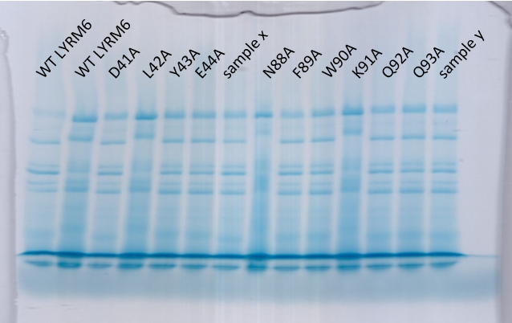

 | Coomassie-stained BN-PAGE gel
 | sampes x and y are not part of the publication

